1st query
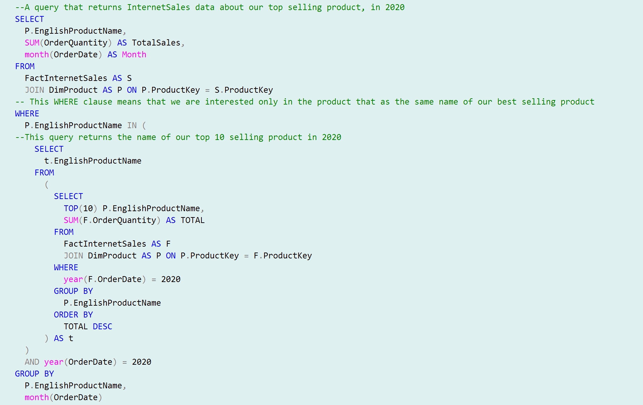

2nd query
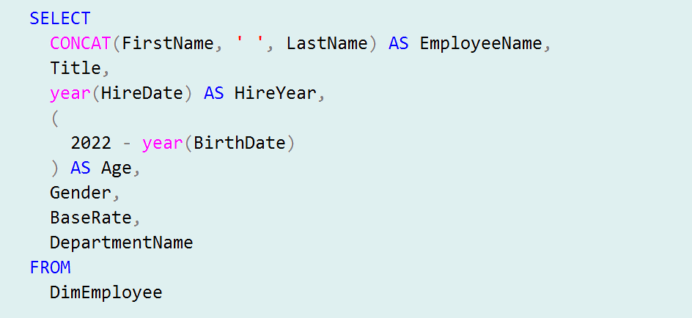

3rd query
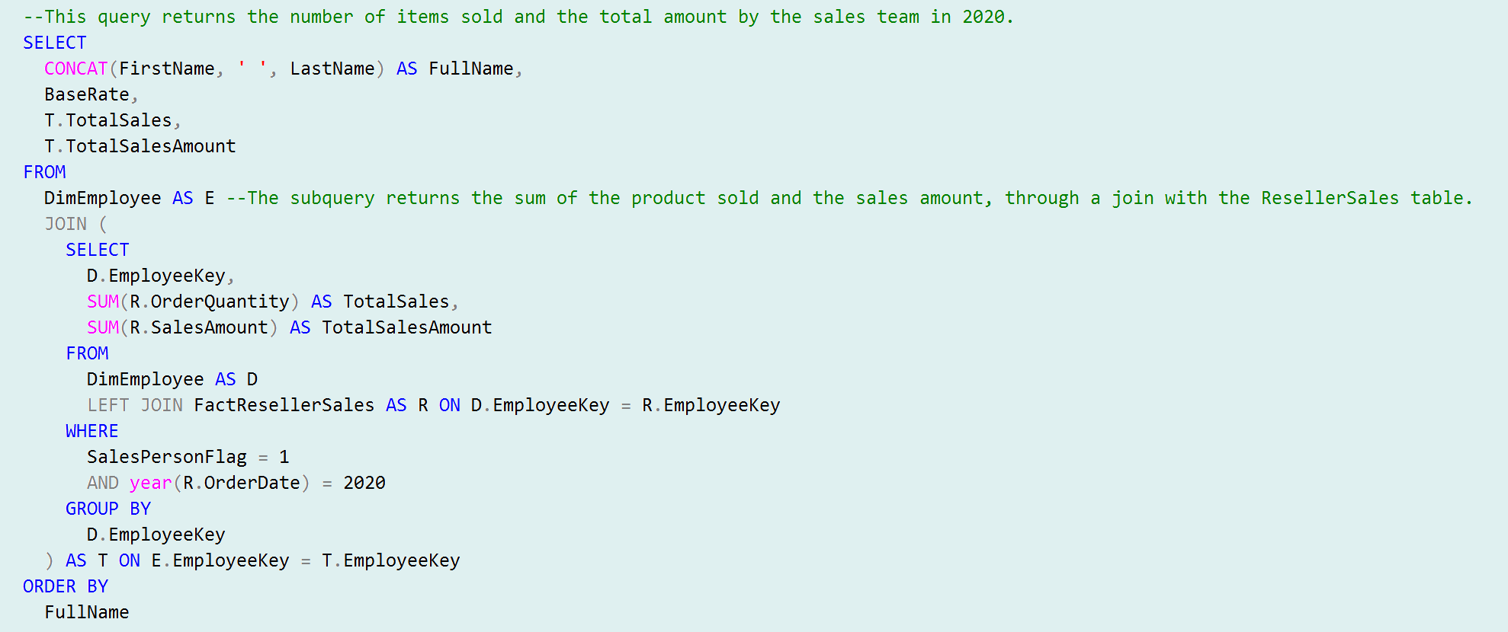

RegressionAnalysis
Regression Analysis
Is there a relationship between wages and the amount of product sold?
HOURLY WAGE - Quantity Sold
 | Quantity Sold
$25.10 | 1,378
$35.10 | 3,628
$48.08 | 5,548
$87.26 | 12,087
$80.25 | 10,941
$52.33 | 7,640
$99.11 | 12,077
$45.20 | 3,999
$85.26 | 9,293
$38.15 | 3,174
$55.10 | 6,150
$68.08 | 9,349
$69.08 | 5,995
$31.50 | 1,795
$20.10 | 825
$39.22 | 3,425
$61.60 | 6,354

The existence of a linear relationship between wage and quantity sold can be seen from the scatter plot.

Linear regression

Statistica della regressione
R multiplo | 0.95860929196
R al quadrato | 0.91893177462
R al quadrato corretto | 0.91352722626
Errore standard | 1073.9511632
Osservazioni | 17

ANALISI VARIANZA
 | gdl | SQ | MQ | F | Significatività F
Regressione | 1 | 196106923.72 | 196106923.72 | 170.02933708 | 0.000000001
Residuo | 15 | 17300566.516 | 1153371.101
Totale | 16 | 213407490.24

 | Coefficienti | Errore standard | Stat t | Valore di significatività | Inferiore 95% | Superiore 95% | Inferiore 95,0% | Superiore 95,0%
Intercetta | -2211.3445585 | 688.38765525 | -3.2123535941 | 0.0058148835034 | -3678.6081135 | -744.08100356 | -3678.6081135 | -744.08100356
Hourly Wage | 150.18623245 | 11.517764436 | 13.039529788 | 0.000000001 | 125.63669868 | 174.73576622 | 125.63669868 | 174.73576622

Each dollar spent on raising the hourly wage results in the sale of 150 more items!

Scenario: Wage are increased by 1$
What is the increase in total revenue?

 | Avg. Rvn. per Order | Sales Amount
Amy Alberts | $374.10 | $56,185.04
David Campbell | $386.14 | $57,992.51
Garrett Vargas | $259.02 | $38,901.69
Jae Pak | $300.53 | $45,135.21
Jillian Carson | $267.55 | $40,182.99
José Saraiva | $320.95 | $48,202.24
Linda Mitchell | $326.50 | $49,036.25
Lynn Tsoflias | $343.08 | $51,526.24
Michael Blythe | $378.23 | $56,804.85
Pamela Ansman-Wolfe | $390.75 | $58,685.30
Rachel Valdez | $262.49 | $39,422.34
Ranjit Varkey Chudukatil | $327.97 | $49,255.93
Shu Ito | $350.99 | $52,714.37
Stephen Jiang | $311.81 | $46,829.45
Syed Abbas | $209.12 | $31,407.03
Tete Mensa-Annan | $431.54 | $64,810.83
Tsvi Reiter | $337.47 | $50,683.96

Total Sales 2020 | $33,574,834.16
Increase in sales ($ +1 /h) | $837,776.20 | + 2,5%

An extra $ is equal to 1920$ every year per salesperson.
Wage cost in 2020 | $1,805,769.02
Wage cost increase | $32,640.00 | + 1,81%

